cover SSR


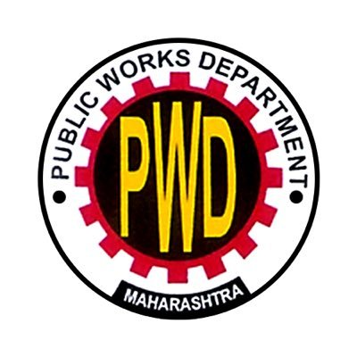

GOVERNMENT OF MAHARASHTRA

PUBLIC WORKS DEPARTMENT

STATE SCHEDULE OF RATES 2022-23

stamp (2)
 | PUBLIC WORKS DEPARTMENT

The State Schedule of Rates is recommended for the year 2022-23 with effect from 25th July 2022

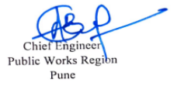

 |  |  | Chief Engineer |  | Chief Engineer
 |  |  | Public Works Konkan Region |  | Public Works Region
 |  |  | Mumbai |  | Pune

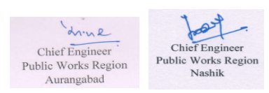

 |  | Chief Engineer |  | Chief Engineer |  | Chief Engineer
 |  | Public Works Region |  | Public Works Region |  | Public Works Region
 |  | Aurangabad |  | Nashik |  | Amravati

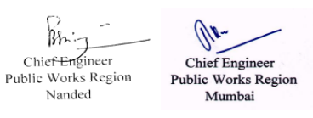
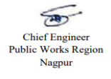

 |  | Chief Engineer |  |  |  | Chief Engineer
 |  | Public Works Region |  |  |  | Public Works Region
 |  | Nagpur |  |  |  | Mumbai

 |  |  | Approved

 |  |  | Secretary (Works) |  | Secretary (Roads)

